Database Schema
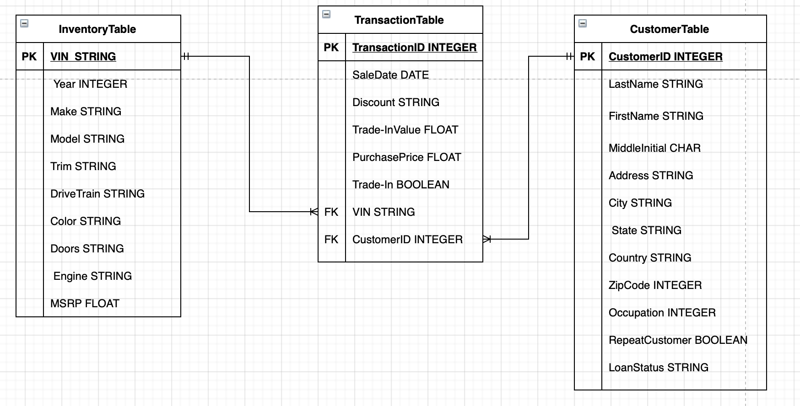

{
InventoryTable (VIN string, Year data, Make string, Model string, DriveTrain string, Color, string, Doors string, Engine string, MSRP string)

CustomerTable (CustomerID int, LastName string, FirstName string, MiddleInitial char, Address string, City string, State string, Country string, ZipCode Integer, Occupation string, LoanStatus string)

TransactionTable (TransactionID int, SaleDate date, Discount string, Trade-InValue float, PurchasePrice float, Trade-In boolean, VIN string, CustomerID int)
}

